Sheet1
Ques 1- What is a null hypothesis (H₀) and why is it important in hypothesis testing?

Sol- | The null hypothesis (H₀) is a statement that assumes no effect, no difference, or no relationship between variables.

 | Importance of Null Hypothesis

 | Starting point of testing
 | All hypothesis testing begins by assuming H₀ is true.

 | Basis for decision-making
 | Using sample data, we decide whether to reject or fail to reject H₀.

 | Helps control errors
 | It helps control Type I error (wrongly rejecting a true H₀).

 | Provides objectivity
 | Decisions are based on p-values and significance level (α), not assumptions.

Ques 2- | What does the significance level (α) represent in hypothesis testing?

Sol- | The significance level (α) is the probability of committing a Type I error, i.e., rejecting a true null hypothesis. It sets the cutoff for deciding statistical significance.

Ques 3- | Differentiate between Type I and Type II errors.

Sol- | Type I error occurs when we reject the null hypothesis even though it is actually true (false positive).
 | Type II error occurs when we fail to reject the null hypothesis even though it is actually false (false negative).

Ques 4- | Explain the difference between a one-tailed and two-tailed test. Give an example of each.

Sol- | A one-tailed test checks for an effect in only one specific direction (either increase or decrease).
 | Example: Testing whether a new teaching method improves students’ scores compared to the old method.

 | A two-tailed test checks for an effect in both directions (either increase or decrease).
 | Example: Testing whether a new teaching method leads to any change (increase or decrease) in students’ scores compared to the old method.

Ques 5- | A company claims that the average time to resolve a customer complaint is 10 minutes. A random sample of 9 complaints gives an average time of 12 minutes and a standard deviation of 3 minutes. At α = 0.05, test the claim.

Sol- | Step 1- State the hypothesis

 | H₀: Average time = 10 minutes
 | H₁: Average time is not equal to 10 minutes (two-tailed test)

 | Step 2: Choose the test

 | Sample size n = 9 (small sample)

 | Population standard deviation unknown

 | Use a one-sample t-test

 | Step 3: Compute the test statistic

 | Given:

 | Sample mean (x bar) =

 | Sample standard deviation (s) =3

 | Sample size (n) =9

 | Formula for t- test = |  | xbar-mew/s/sq.rt. N |  |  | 12-10/3/sqrt9 = 2

 | Step 4: Critical value

 | Degrees of freedom: df=n−1=8df = n - 1 = 8df=n−1=8

 | At α = 0.05 (two-tailed), critical t-value ≈ ±2.306

 | Step 5: Decision

 | Calculated ∣t∣=2

 | Critical value = 2.306

 | Since 2 < 2.306, we fail to reject H₀.

 | At the 5% significance level, there is not enough evidence to reject the company’s claim.
 | The data does not show a significant difference from an average resolution time of 10 minutes.

Ques 6- When should you use a Z-test instead of a t-test?

Sol- | The sample size is large
 | Usually n ≥ 30, so the sampling distribution of the mean is approximately normal.

 | The population standard deviation (σ) is known
 | This is the most important condition.

 | The data is approximately normally distributed
 | (or the sample size is large enough for the Central Limit Theorem to apply).

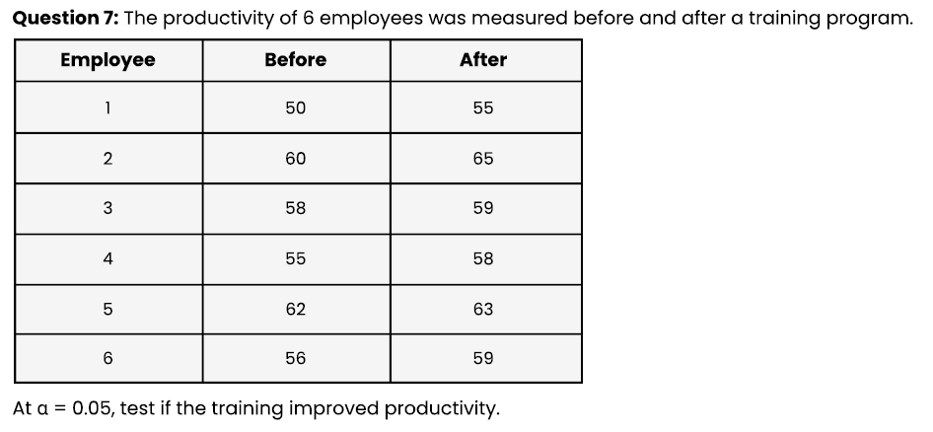
Ques 7-

Sol- | Step 1- State the hypotheses

 | We are testing whether training improved productivity.

 | H₀: Productivity = 0 (no improvement)

 | H₁: Productivity > 0 (productivity increased)

 | (one-tailed test)

 | Step 2: Compute the differences (After − Before)

 | Employee | Before | After | Difference
 | 1 | 50 | 55 | 5
 | 2 | 60 | 65 | 5
 | 3 | 58 | 59 | 1
 | 4 | 55 | 58 | 3
 | 5 | 62 | 63 | 1
 | 6 | 56 | 59 | 3

 | Step 3: Mean and standard deviation of differences

 | Mean difference
 |  |  | d bar= | 5+5+1+3+1+3/6 |  | 6

 |  |  | Standard deviation of differences |  |  |  | sd= 1.79

 |  |  | Sample size: n=6

 | Step 4- Compute the test

 |  |  | t= d bar/s/sq.rt.n

 |  |  | t= 3/1.79/sqrt6

 |  |  | t= 4.11

 | Step 5: Critical value

 | Degrees of freedom: df=5

 | At α = 0.05 (one-tailed), critical t ≈ 2.015

 | Step 6: Decision

 | Calculated t = 4.11

 | Critical t = 2.015

 | Since 4.11 > 2.015, we reject H₀.

 | At the 5% significance level, there is sufficient evidence to conclude that the training program significantly improved productivity.


Ques 8-

Sol- | This is a Chi-square test of independence, because we are testing the relationship between gender and product preference.

 | Step 1: State the hypotheses

 | H₀ (Null hypothesis): Product preference is independent of gender

 | H₁ (Alternative hypothesis): Product preference is not independent of gender

 | Step 2: Observed frequencies (given)

 | Gender | Product A | Product B | Total

 | Male | 30 | 20 | 50
 | Female | 10 | 40 | 50
 | Total | 40 | 60 | 100

 | Step 3: Expected frequencies

 |  | Formula |  | E= (row total) (column total)/Grand Total

 |  |  |  | Male–A: | 50*40/100 = | 20

 |  |  |  | Male–B: | 50*60/100 | 30

 |  |  |  | Female–A: | 50*40/100 | 20

 |  |  |  | Female–B: | 50*60/100 | 30

 | Step 4: Chi-square statistic

 |  | Chi-square = |  | summation square of (o-e) /e

 |  |  |  | 5+3.33+5+3.33=16.66

 | Step 5: Critical value

 | Degrees of freedom: |  |  | df=(r−1)(c−1)=(2−1)(2−1)=1

 |  |  |  | At α = 0.05, critical value = 3.84

 | Step 6: Decision

 | Calculated value= 16.66

 | Critical value = 3.84

 | Since 16.66 > 3.84, we reject H₀.

 | At the 5% significance level, there is sufficient evidence to conclude that product preference is not independent of gender.
 | This means gender and product preference are significantly related.

